Work Cell Load Chart
Work Cell Load Chart
 | Operator Cycle Time | Takt Time
Process A | 34 | 30
Process B | 26 | 30
Process C | 10 | 30
Process D | 20 | 30

TAKT time
TAKT time calculation
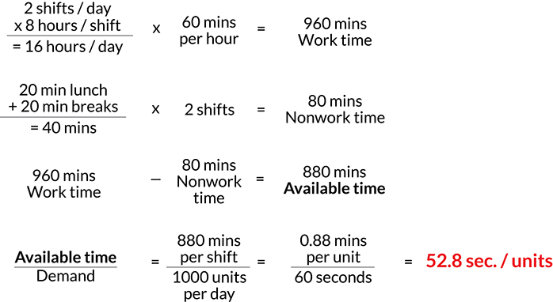
Minutes Available to do work | 880
Units Required | 1000
TAKT time: Minutes per Unit | 0.88
TAKT time: Seconds per unit | 52.800

Hours available
 | Shifts | Hours | Daily Hours available | Daily minutes available | Daily minutes unavailable
Planned availability to work | 2 | 8 | 16 | 960

Breaks/Planned downtime or maintenance
 | Shifts | Hours | Daily Hours unavailable | Daily minutes unavailable | Daily minutes unavailable
Breaks | 2 |  |  | 20 | 40
Planned PM/Downtime | 2 |  |  | 20 | 40
Units required by customer daily

Unit A | 1000

Cycle time vs Takt Time
$$Cycle time ≠Takt Time$$

$$Total available production time$$
$$Current Customer Demand$$
TAKT time =

Stated in terms of unit of time per unit produced or serviced
Total available production time (or available service time) determined by total available production hours, excluding weekends and off shifts and deducting time required for lunches, breaks and other planned downtime



Takt time does fluctuate with demand and can be different for different times of day/days of week

$$Cycle time=time to complete one cycle and return to start$$

Cycle time is expressed in terms of operator or service provider, equipment or process overall

